WM
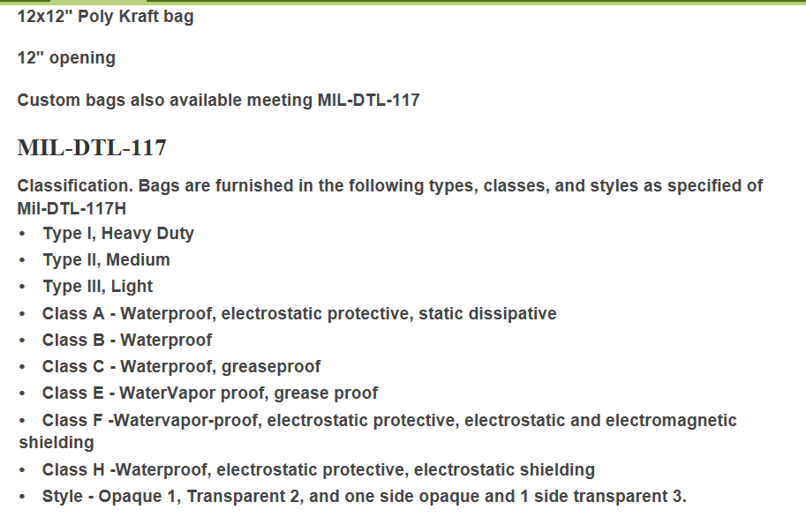
WM | Description
0 | No requirement.
AA | Material used shall be in accordance with the requirements of MIL-P-116.
AB | MIL-STD-2073-1B/2C Code: MIL-B-131, type II, barrier, watervaporproof, flexible, heat-sealable, flame resistant.
BA | QQ-A-1876, aluminum foil
CA | A-A-203, kraft wrapping paper.
CB | UU-P-268, paper, kraft, wrapping, type I, grade B, 30 lb. basis weight.
CC | UU-P-268, paper, kraft, wrapping, type I, grade B, 40 lb. basis weight.
CD | UU-P-268, paper, kraft, wrapping, type I, grade B, 60 lb. basis weight.
CE | UU-P-268, paper, kraft, wrapping, type II, grade C, 60 lb. basis weight, fire retardant.
CF | UU-P-268, paper, kraft, wrapping, type II, grade D, 55 lb. basis weight, fire retardant.
DA | A-A-1249, paper, tissue.
DB | UU-P-553, paper, wrapping, tissue, type I.
DC | UU-P-553, paper, wrapping, tissue, type II.
EA | MIL-DTL-17667, neutral wrapping paper.
EB | MIL-DTL-17667, Type I, neutral wrapping paper, flat.
EC | MIL-DTL-17667, Type II, neutral wrapping paper, creped.
ED | MIL-STD-2073-1B/2C Code: MIL-P-17667, chemically neutral wrapping paper, type II, class 2.
FA | MIL-P-130, laminated and creped wrapping paper.
FB | MIL-P-130, laminated and creped wrapping paper, type I, 150 lb basis wt.
FC | MIL-P-130, laminated and creped wrapping paper, type II, 125 lb basis wt.
FD | MIL-P-130, laminated and creped wrapping paper, type III, 100 lb basis wt.
GA | MIL-B-121, greaseproof, waterproof barrier.
GB | MIL-PRF-121, Grade A, greaseproof, waterproof barrier.
GC | MIL-PRF-121, Grade A, Type I, heavy duty, greaseproof, waterproof barrier.
GD | MIL-B-121, greaseproof, waterproof barrier, type I, grade A, class 1, heat sealable.
GE | MIL-B-121, greaseproof, waterproof barrier, type I, grade A, class 2, nonheat sealable.
GF | MIL-B-121, greaseproof, waterproof barrier, type II, medium duty.
GG | MIL-B-121, greaseproof, waterproof barrier, type II, class 1, heat sealable, grade A.
GH | MIL-PRF-121, Grade A, Type II, medium duty, greaseproof, waterproof barrier.
GK | MIL-B-121, greaseproof, waterproof barrier, grade A, overwrap with MIL-P-130, secure outer wrap.
GM | MIL-B-131, class 1, general.
GN | MIL-B-131, class 2, limited.
GP | MIL-B-131, class 3, scrim.
HC | PPP-B-1055, barrier material, waterproofed, flexible.
JA | A-A-3174, plastic sheet, polyolefin, 2 mil.
JB | PPP-C-795, class 1, thin, up to 1/4 inch.
JL | MIL-PRF-22019, transparent volatile corrosion inhibitor treated barrier material.
JV | MIL-PRF-22191, Type III, transparent waterproof barrier material.
JW | PPP-C-795, class 1, medium, 1/4 to 3/8 inch.
JX | PPP-C-795, class 1, thick, greater than 3/8 inch (bubble wrap).
K3 | MIL-PRF-81705, Type III, Class 1, transparent, electrostatic protective, static shielding, barrier material or MIL-DTL-117, Type II, Class H, Style 2 bag
LA | A-A-50177, lens paper.
MA | PPP-P-291, paperboard, wrapping and cushioning.
MB | MIL-PRF-3420, volatile corrosion inhibitor treated material.
N1 | PPP-C-795, class 2, antistatic, pink, thin, up to 1/4 inch.
N2 | PPP-C-795, class 2, antistatic, pink, medium, 1/4 to 3/8 inch.
N3 | PPP-C-795, thick, greater than 3/8 inch (bubble wrap).
N4 | PPP-C-1797, cushioning material, resilient, low density, unicellular, polypropylene foam, 1/16 inch.
N5 | PPP-C-1797, cushioning material, resilient, low density, unicellular, polypropylene foam, 3/32 inch.
N6 | PPP-C-1797, cushioning material, resilient, low density, unicellular, polypropylene foam, 1/8 inch.
N7 | PPP-C-1797, cushioning material, resilient, low density, unicellular, polypropylene foam, 1/4 inch.
N8 | MIL-B-81705, type I barrier material, flexible, electrostatic-free, heat sealable.
N9 | MIL-PRF-81705, Type III, transparent, electrostatic protective, static shielding barrier material.
PA | PPP-C-795, class 3, flexible, closed-cell, fire-retardant, heat-sealable and noncorrosive plastic film.
XX | See method of preservation code for this requirement.
YY | Packager's option so long as all other contractual requirements are met.
ZZ | Special requirements - see specific instructions or drawings provided.

PACK = Q
